Q.1
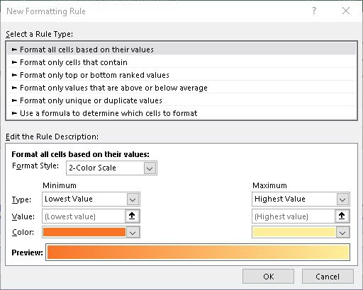
1. How many types of conditions are available in conditional formatting on Excel?

The first set of options are under the Highlight Cell Rules heading

That’s followed by the Top/Bottom Rules

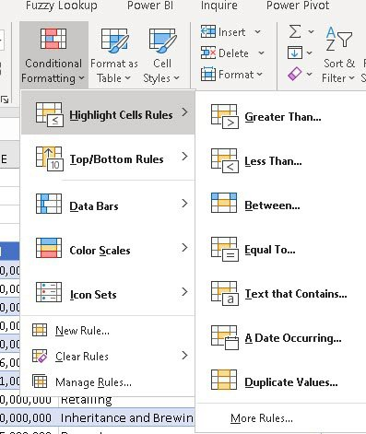

I don’t illustrate the Data Bars and Colour Scales but they are obviously useful

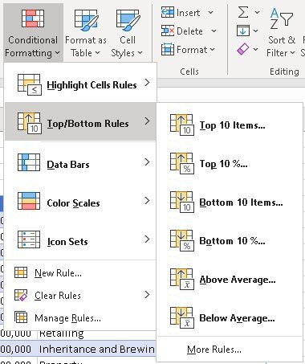

Then finally, there are all of these options, some of which require a bit of programming/formulation
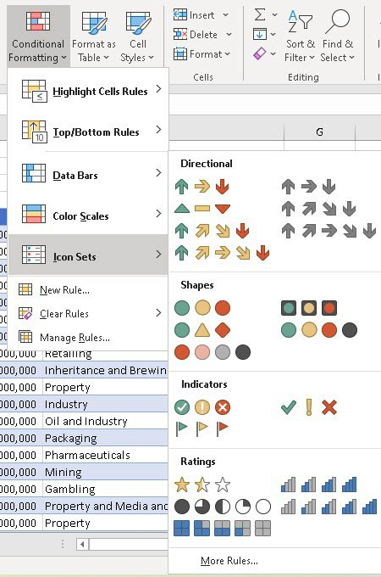

It really is worthwhile getting to grips with Conditional Formatting!

Q.2
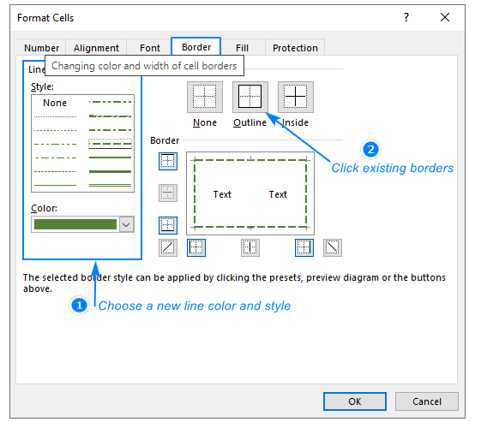
2. How to insert border in Excel with Format Cells dialog?

Ans :

1. Select cells you want to draw borders around or range > Right click
2. Select > Format cells
3. Select Border style + Color + Border type
4. Click ok

Q.3
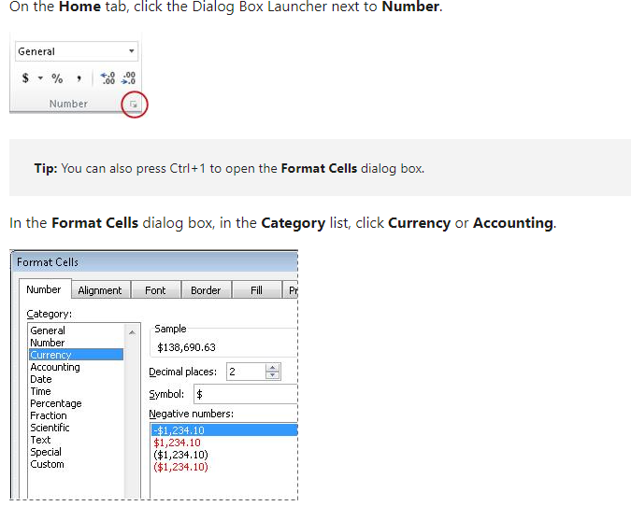
3. How to Format Numbers as Currency in Excel?

Ans :

Q.4
4. What are the steps to format numbers in Excel with the Percent style?

Ans :

1. On the Home tab, in the Number group, click the icon next to Number to display the Format Cells dialog box.
2. In the Format Cells dialog box, in the Category list, click Percentage.
3. In the Decimal places box, enter the number of decimal places that you want to display.
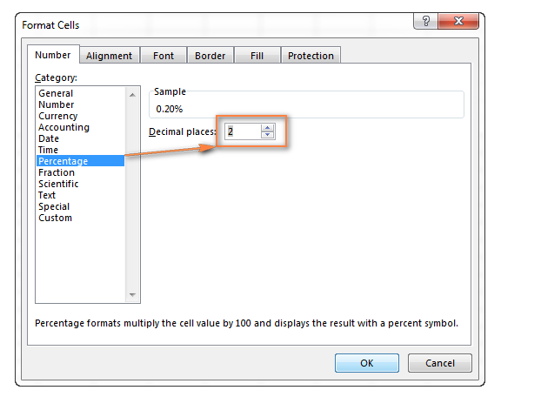

Shortcut keys : Alt + H + P or Clt + Shift + %

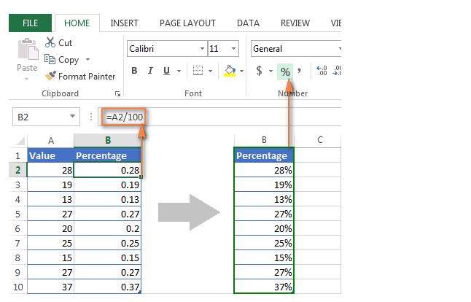

Dealer 1 | WEST | 215 |  | Syntx : =VLOOKUP(lookup_value, table_array, col_index_num, [range_lookup])

SR.NO | NORTH | EAST | WEST | SOUTH
Dealer 1 | 215 | 250 | 300 | 350
Dealer 2 | 351 | 351 | 351 | 351
Dealer 3 | 654 | 654 | 654 | 654
Dealer 4 | 450 | 450 | 450 | 450
Dealer 5 | 145 | 145 | 145 | 145
Dealer 6 | 582 | 582 | 582 | 582
Dealer 7 | 456 | 456 | 456 | 456
Dealer 8 | 546 | 546 | 546 | 546

Q.6
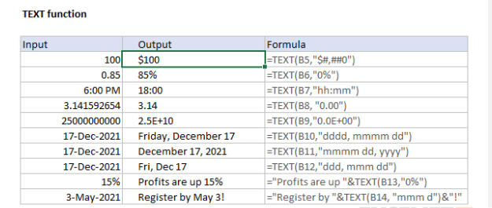
6. How do you use text commands in Excel?

Ans : Select the column, or range where you'll be putting the values, then use CTRL+1 to bring up the Format > Cells dialog and on the Number tab select Text.

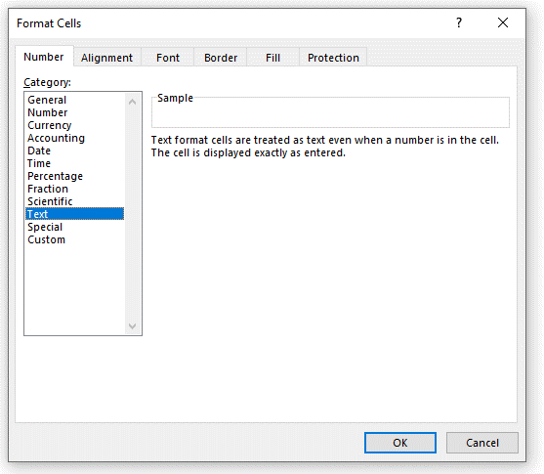

 | Another use of text function

